Overall Briefing Document

Client | Autodesk EMEA |  | Additional / Follow-Up Points
Campaign | AutoDesk EMEA - Digital Factory Julia Q2 - Q2-25
Timeline / Launch Date | ASAP- End of June
Channels
Content Syndication | Yes
Display | Yes
LinkedIn Integration | N/A
MLP Access | Yes
Booking Info |  | Rate | Leads / Impressions | Cost
 | MOFU (Single Touch) | 60 | 167 | $10,020.00
 | BOFU (Double Touch) | 75 | 133 | $9,975.00
 | Display Impressions | 20 | 250,250 | $5,005.00
 | Total |  |  | $25,000.00
Pacing | Even Pacing
Pacing / Leads Delivery Day | Monday
Job Titles | In the following Tab
Exclusions | N/A (as per TAL)
lndustries | as per TAL
Account List | In the following Tab
Company Size | as per TAL
Countries | UK, Germany, Austria, Italy, Netherlands, Norway, spain, sweden, switzerland, France
Lead Cap | Lead cap of 2 and we need to make sure that both of the BOFU and MOFU lines have 1,1 lead for the same account
Intent/Trending Topics
Assets | In the following Tab

Languages | English, German, Italian, French, Spanish
Lead delivery / Integration | ShareFile
Lead delivery Template | In the following Tab
Opt-In | In the following Tab
KPIs / Success Metrics?

Job Titles
Production Engineer | Executive Level
Industrial Engineer | VP-Level
Process Engineer | Director
Owner/Operator | Manager
General Manager | Staff
Facilities Manager
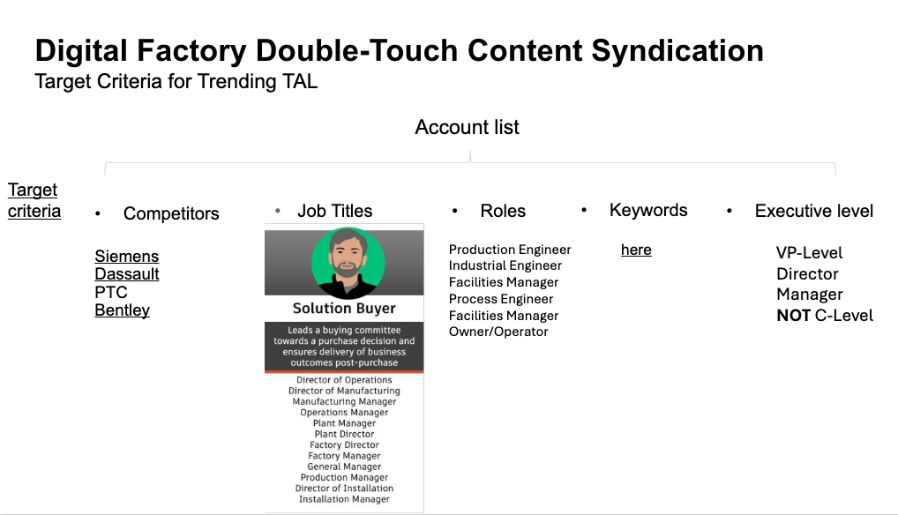
Operations Manager
Plant Manager
Factory Manager
Production Manager
Installation Manager
Facilities Director
Operations Director
Plant Director
Factory Director
Production Director
Installation Director
Director of Operations
Director of Manufacturing
Manufacturing Manager
Operations Mananger
Director of Installation
VP of Operations
Head of Operations
VP of Manufacturing
Factory Owner
Operating Director
Operating Principle

Intent Topics
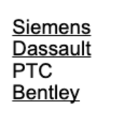
3d animation | (select all that apply) | Competitors
3d animation software
3d cad
3d design engineering
3d modeling
ai factory
ai for manufacturing
autocad
autodesk (adsk)
autodesk arnold
autodesk autocad lt
autodesk build
autodesk cfd
autodesk construction solutions (acs)
autodesk design review
autodesk drive
autodesk factory design utilities
autodesk featurecam
autodesk forge
autodesk fusion 360
autodesk inventor
autodesk revit
autodesk vault
autodesk vred
bim 360
building information modeling (bim)
connected factory
design software
digital building lifecycle
digital factory
digital manufacturing
digital twin
factory automation
factory of the future
manufacturing cost reduction
manufacturing efficiency
manufacturing operations
manufacturing software
process simulation
production execution
production management
production planning
production workflow
simulation software
smart factory

